Quantities
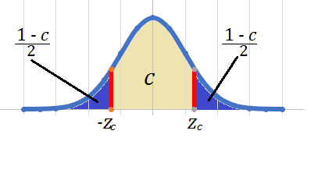
 | Parameter | Statistic |  | Central Limit Theorem |  |  |  | Right-Tailed | Left-Tailed | Two Tailed
Mean | µ |  | Central Limit Theorem: The sampling distribution of the sample means is a normal distribution | For large size samples, the sampling distribution of the sample mean is |  | Claim: | Alternative HA: | parameter > a hypothesized value | parameter < a hypothesized value | parameter ≠ a hypothesized value
Proportion | p |  | Central Limit Theorem: The sampling distribution of the sample proportions is a normal distribution | approximately a normal distribution with, |  | Status Quo: | Null Ho: | parameter ≤ a hypothesized value | parameter ≥ a hypothesized value | parameter = a hypothesized value
Standard Deviation | σ | s |  | mean of the sampling distribution = mean of the population
Variance | σ2 | s2 | The sampling distribution of the sample variances is a Chi-squared distribution. | SD of the sampling distribution = SD of the population / Square-root of sample size

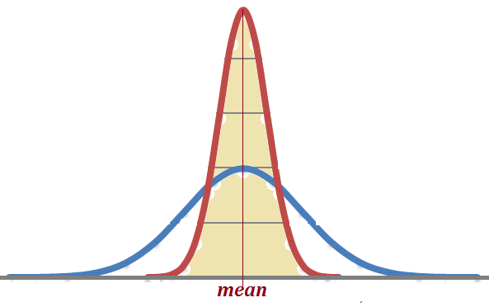

 |  |  |  |  | For - zc , enter: =NORM.S.INV( (1 - c)/2 )
 |  |  |  |  | For zc , enter: =NORM.S.INV( (1 + c)/2 )

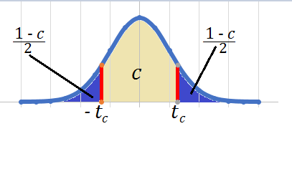

 |  |  |  |  | For - tc , enter: =T.INV( (1 - c)/2 , DF )
 |  |  |  |  | For tc , enter: =T.INV( (1 + c)/2 , DF)

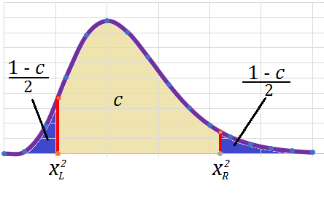

 |  |  |  |  | For χ2L , enter: =CHISQ.INV( (1 - c)/2 , DF)
 |  |  |  |  | For χ2R , enter: =CHISQ.INV( (1 + c)/2 , DF)

large sample
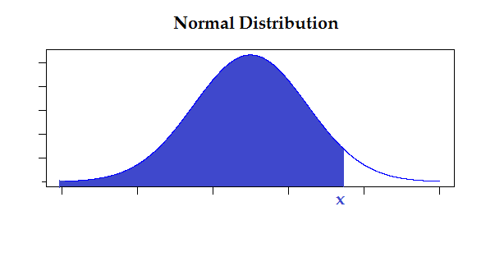
Standard Normal Distribution
Standard Normal Distribution
Chi-squared Distribution
0 | 0
2 | 0.0015328310049
4 | 0.018044704432
6 | 0.050409406722
8 | 0.078146725925
10 | 0.087733684884
12 | 0.080311570524
14 | 0.063858334146
16 | 0.045801830796
18 | 0.030363439673
20 | 0.018916637401
22 | 0.011207606725
24 | 0.0063703193679
26 | 0.0034968520271
28 | 0.0018634004243
30 | 0.00096789406096
 | Data | 1. Costruct a 90% CI for the mean |  |  |  |  |  |  |  | z | f(z)
 | 96 |  |  |  |  |  |  |  |  | -4 | 0.00013383022576
 | 73 | Confidence level: |  | 0.9 | -1.644853627 | 0 | 1.644853627 | 0 |  | -3.5 | 0.00087268269505
 | 76 | Area on the Tail |  | 0.05 | -1.644853627 | 0.10313564038 | 1.644853627 | 0.10313564038 |  | -3 | 0.0044318484119
 | 100 | Critical Positive Z value |  | 1.645 |  |  |  |  |  | -2.5 | 0.017528300494
 | 109 | Critical Negative Z value |  | -1.645 |  |  |  |  |  | -2 | 0.053990966513
 | 100 |  | Sample mean | 98.5 |  |  |  |  |  | -1.5 | 0.12951759567
For Standard Normal: | 95 |  | Sample size | 42 |  |  |  |  |  | -1 | 0.24197072452
=NORM.S.DIST( z , 1) | 107 |  | Sample SD | 12.15 |  |  |  |  |  | -0.5 | 0.35206532676
= NORM.S.INV(Probability) | 118 |  | Margin of Error E | 3.085 |  |  |  |  |  | 0 | 0.3989422804
 | 100 |  | CI Lower | 95.415 |  |  |  |  |  | 0.5 | 0.35206532676
For non-standard Normal: | 104 |  | CI Upper | 101.585 |  |  |  |  |  | 1 | 0.24197072452
=NORM.DIST( x , µ , σ , 1) | 95 |  |  |  |  |  |  |  |  | 1.5 | 0.12951759567
=NORM.INV( probability , µ , σ) | 95 | 2. What size sample is needed to estimate the mean to within 2 units? |  |  |  |  |  |  |  | 2 | 0.053990966513
 | 105 |  | Margin of error E | 2 |  |  |  |  |  | 2.5 | 0.017528300494
 | 97 |  | Sample Size n | 100 |  |  |  |  |  | 3 | 0.0044318484119
Standard Normal Distribution
 | 96 | 3.Use α = 0.10 to test the claim that µ > 95 |  |  |  |  |  |  |  | 3.5 | 0.00087268269505
 | 77 |  | α = | 0.1 |  |  |  |  |  | 4 | 0.00013383022576
 | 103 |  | Critical Z value | 1.282
 | 111 |  | Ho: µ ≤ 95
 | 111 |  | Ha: µ > 95 |  | 1.282 | 0 |  | 1.866 | 0
 | 102 |  |  |  | 1.282 | 0.17549833193 |  | 1.866 | 0.069919224897
 | 73 |  | Hypothesized mean: | 95
 | 98 |  | Test Statistic Z | 1.866
 | 116 |  | P-Value | 0.0310
 | 92
 | 86 |  | Reject Ho. There is sufficient evidence supporting the claim
 | 96 |  | that the population mean is greater than 95.
 | 115
 | 85
 | 94
 | 99
 | 104
 | 98
 | 95
 | 106
 | 74
 | 108
 | 108
 | 111
 | 112
 | 82
 | 115

small sample
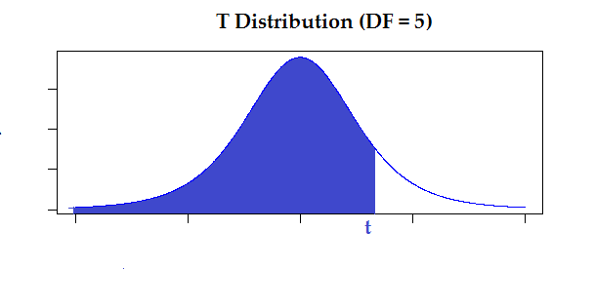
T distribution
 | Data | 1. Costruct a 90% CI for the mean |  |  |  |  |  |  |  | t | f(t)
 | 103 |  |  |  |  |  |  |  |  | -4 | 0.0051237270519
 | 100 |  | Sample size | 6 | -2.0150483733 | 0 | 2.0150483733 | 0 |  | -3.5 | 0.0092443540925
 | 92 |  | Degrees of freedom DF | 5 | -2.0150483733 | 0.063796798895 | 2.0150483733 | 0.063796798895 |  | -3 | 0.0172925788
 | 100 |  | Confidence level c : | 0.9 |  |  |  |  |  | -2.5 | 0.033326238887
 | 111 |  | Area on the Tail (1 - c) / 2 | 0.05 |  |  |  |  |  | -2 | 0.065090310326
 | 88 |  | Critical Positive T value | 2.015 |  |  |  |  |  | -1.5 | 0.12451734465
 |  |  | Critical Negative T value | -2.015 |  |  |  |  |  | -1 | 0.21967979735
 |  |  | Sample mean | 99 |  |  |  |  |  | -0.5 | 0.32791853132
 |  |  |  |  |  |  |  |  |  | 0 | 0.37960668982
 |  |  | Sample SD | 8.149 |  |  |  |  |  | 0.5 | 0.32791853132
T Distrubution |  |  | Margin of Error E | 6.70 |  |  |  |  |  | 1 | 0.21967979735
=T.DIST( t , DF , 1) |  |  | CI Lower | 92.30 |  |  |  |  |  | 1.5 | 0.12451734465
= T.INV(Probability , DF) |  |  | CI Upper | 105.70 |  |  |  |  |  | 2 | 0.065090310326
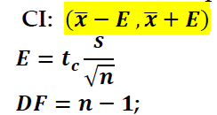
 |  |  |  |  |  |  |  |  |  | 2.5 | 0.033326238887
 |  |  |  |  |  |  |  |  |  | 3 | 0.0172925788
T distribution
 |  | 3. Use α = 0.05 to test the claim that µ ≠ 95 |  |  |  |  |  |  |  | 3.5 | 0.0092443540925
 |  |  | α = | 0.05 |  |  |  |  |  | 4 | 0.0051237270519
 |  |  | Critical T value 1 | 2.571
 |  |  | Critical T value 2 | -2.571
 |  |  | Ho: µ = 95 |  | 2.571 | 0 |  | -2.571 | 0
 |  |  | Ha: µ ≠ 95 |  | 2.571 | 0.014656314389 |  | -2.571 | 0.014656314389
 |  |  | Hypothesized mean: | 95
 |  |  | Test Statistic T | 1.202 | 1.202 | 0
 |  |  | P-Value | 0.2830 | 1.202 | 0.19362536417

 |  |  | We do not reject Ho. There is not sufficient evidence to
 |  |  | conclude that the population mean is different than 95.

proportion
Standard Normal Distribution
Data | 1. Costruct a 85% CI for the proportion of the scores that are less than 70 |  |  |  |  |  |  |  | z | f(z)
89 | Make sure that n*pHat ≥ 10 and n*qHat ≥ 10 |  |  |  |  |  |  |  | -4 | 0.00013383022576
88 | Sample Size | 146 |  |  |  |  |  |  | -3.5 | 0.00087268269505
61 | Sample Success | 57 |  | -1.440 | 0 | 1.440 | 0 |  | -3 | 0.0044318484119
83 | Sample Proportion | 0.3904 |  | -1.440 | 0.14155542236 | 1.440 | 0.14155542236 |  | -2.5 | 0.017528300494
96 | p-hat | 0.3904 |  |  |  |  |  |  | -2 | 0.053990966513
48 | q-hat | 0.6096 |  |  |  |  |  |  | -1.5 | 0.12951759567
82 | Confidence level c : | 0.85 |  |  |  |  |  |  | -1 | 0.24197072452
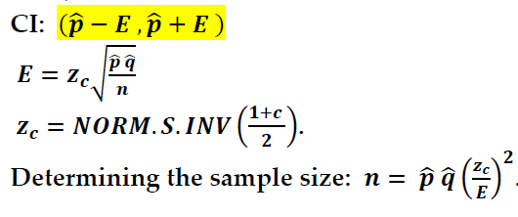
92 | Area on the Tail (1 - c) / 2 | 0.075 |  |  |  |  |  |  | -0.5 | 0.35206532676
77 | Critical Positive Z value | 1.440 |  |  |  |  |  |  | 0 | 0.3989422804
93 | Critical Negative Z value | -1.440 |  |  |  |  |  |  | 0.5 | 0.35206532676
97 |  |  |  |  |  |  |  |  | 1 | 0.24197072452
55 | Margin of Error E | 0.058119826788 |  |  |  |  |  |  | 1.5 | 0.12951759567
45 | CI Lower Limit | 0.3323 | 33.2% |  |  |  |  |  | 2 | 0.053990966513
72 | CI Upper Limit | 0.4485 | 44.9% |  |  |  |  |  | 2.5 | 0.017528300494
52 |  |  |  |  |  |  |  |  | 3 | 0.0044318484119
87 | 2. What size sample is needed to estimate p to within 2%? |  |  |  |  |  |  |  | 3.5 | 0.00087268269505
60 | Assume no prior estimate of p. |  |  |  |  |  |  |  | 4 | 0.00013383022576
51 | Margin of Error E | 0.02
67 | Sample Size n | 1296 | 1233
56
Standard Normal Distribution
44

87 | 3. Use α = 0.1 to test the claim that p < 45%. |  |  |  | -1.282 | 0 | -1.447 | 0
78 | α = | 0.1 |  |  | -1.282 | 0.17549833193 | -1.447 | 0.13997925112
99 | Ho: p ≥ 0.45
69 | Ha: p < 0.45
49 | Left Tail Critical Z Value | -1.282
95 | Hypothesized proportion | 0.45
71 | qo = | 0.55
81 | Sample Proportion | 0.3904
46 | Test Statistic Z | -1.447
58 | P-Value | 0.0739
49
78 | Reject the Null Hypothesis. There is sufficient evidence at 0.1 level
46 | of significance to support the claim that p < 45%.
93
79
97
61
61
88
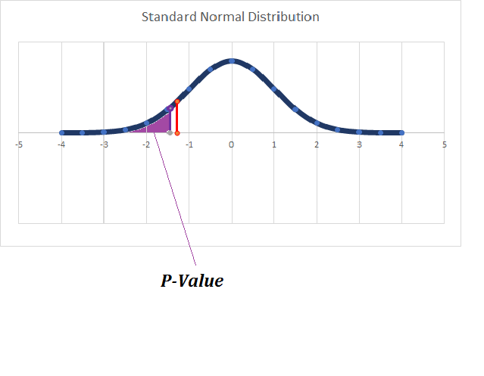
73
81
47
80
58
79
43
81
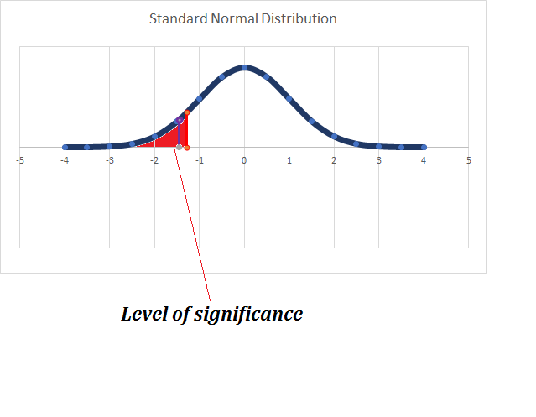
90
93
83
73
48
59
65
82
89
89
84
97
89
78
58
61
99
74
62
71
75
46
86
94
63
42
65
72
58
62
79
86
46
51
42
99
74
76
84
96
93
95
92
73
69
74
66
65
86
62
98
81
97
58
88
72
78
71
84
86
90
47
56
72
90
95
96
57
90
59
59
48
98
76
50
82
42
78
75
86
77
43
69
56
64
52
78
68
55
77
89
81
94
60
78
82
92
94

SD
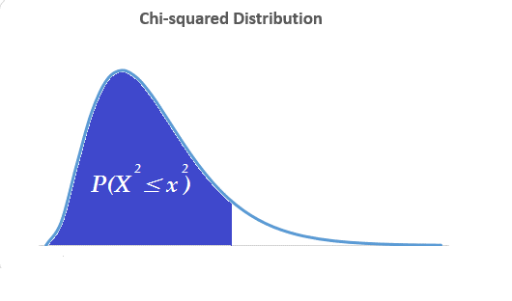
Chi-squared Distribution
 | Data | 1. Costruct a 90% CI for the population standard deviation |  |  |  |  |  |  | χ 2 | f ( χ 2 )
 | 89 |  |  |  |  |  |  |  | 0 | 0
 | 67 | Sample Size n | 13 | 5.226 | 0 | 21.026 | 0 |  | 2 | 0.0015328310049
 | 61 | Degrees of Freedom DF= n - 1 | 12 | 5.226 | 0.037211756906 | 21.026 | 0.014543744683 |  | 4 | 0.018044704432
 | 83 |  |  |  |  |  |  |  | 6 | 0.050409406722
 | 96 | Confidence Level | 0.9 |  |  |  |  |  | 8 | 0.078146725925
 | 48 | Left Chi-squared χ L2 | 5.226 |  |  |  |  |  | 10 | 0.087733684884
 | 57 | Right Chi-squared χ R2 | 21.026 |  |  |  |  |  | 12 | 0.080311570524
 | 92 |  |  |  |  |  |  |  | 14 | 0.063858334146
 | 56 | Sample Variance: | 413.23 |  |  |  |  |  | 16 | 0.045801830796
 | 93 | Sample SD: | 20.33 |  |  |  |  |  | 18 | 0.030363439673
Chi-squared Distribution | 97 | CI Lower for Variance | 235.84 |  |  |  |  |  | 20 | 0.018916637401
=CHISQ.DIST( χ 2 , DF , 1) | 48 | CI Upper for Variance | 948.86 |  |  |  |  |  | 22 | 0.011207606725
= CHISQ.INV(Probability , DF) | 45 | CI Lower for SD | 15.36 |  |  |  |  |  | 24 | 0.0063703193679
Chi-squared Distribution
 |  | CI Lower for SD | 30.80 |  |  |  |  |  | 26 | 0.0034968520271
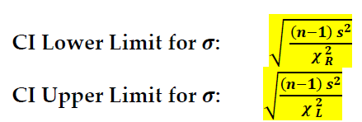
 |  |  |  |  |  |  |  |  | 28 | 0.0018634004243
 |  | 2. Use α = 0.1 to test the claim that σ > 15. |  |  |  |  |  |  | 30 | 0.00096789406096
 |  | α = | 0.1
 |  | Ho: σ ≤ 15
 |  | Ha: σ > 15
 |  | Right Tail Critical χ 2 Value | 18.549 |  | 18.549 | 0 | 22.039 | 0
 |  | Hypothesized Variance | 225 |  | 18.549 | 0.026812808513 | 22.039 | 0.011089020916
 |  | Sample Variance | 413.23

 |  | χ 2 Test statistic | 22.039
 |  | P-value | 0.0371

 |  | Reject H0. There is sufficient evidence to conclude that
 |  | the population SD is greater than 15.

